About HSIS
Hardware/Software Interface Specification (HSIS)

Document | Hardware /Software Interface Specification(HSIS)
Project | TICO Ultrasmall phase4-concept HSIS

Scope and Purpose
This document defines the mapping of the Microcontroller PINs with all peripheral devices. The scope is restricted to describing all the used PINs of the current project. The system PINS and unused PINS are also listed in a separate table. The document has 3 sheets. "Microcontroller details" sheet has all the high levels hardware details of the Microcontroller (summary of the important points). "Microcontroller InterfaceConfig" sheet lists all the connections between the Microcontroller and all the peripheral devices. "Reference" sheet has capture of important information about peripheral components as a handy reference. The information is an excerpt from the data sheets.

Intended audience
This document is to be used as an input information for the schematic design activity.

List of pending items

S.No | Description |  | Completion date
No pending items are available

Reference Documents

S.No | Description |  | Referred file name with version
1 | Microcontroller Data Sheet |  | TC364DP64F300FAALXUMA1 Data sheet (Version:2.00 date: 2021-05-03)
2 | HDD (Hardware Design Document |  | HDD_Ultrasmall.docx (V0.3)
3 | SRS (System Requirements Specifications) |  | Ultra-small_SRS_V01_Traceability .xlsx (Version 0.1 dated 27-June-2025

Revision History

Version No. | Date | Change description | Prepared by | Reviewed by | Approved by
0.1 | 2025-06-13 | Initial Draft Information regarding Interface description about Hardware and Software | Dipali / Pradum | Harsha / Vipul | Jaywant
0.2 | 2025-06-27 | Updated System Pin description details Unused pin numbers are detailed out in a separate table | Dipali / Pradum | Harsha / Vipul | Jaywant
0.3 | 2025-07-10 | Updated comments from SCTM Mat san (Formatting Changes and Technical Writing related comments) | Koustubh Thorat | Matsunaga Toshihiro | Matsunaga Toshihiro
0.4 | 2025-09-13 | Renesas microcontroller (R7F702302FAFM-C) is replaced with Infineon microcontroller (TC364DP-64F300F AA). All pin details are updated as per selected microcontroller pin configuration. | Dipali / Pradum | Pravin / Jaywant | Koustubh Matsunaga Toshihiro
0.5 | 2026-02-26 | Updated ZCD signal on 117 pin number of microcontroller | Dipali / Pradum | Sarup / Jaywant | Koustubh
0.6 | 2026-03-10 | Updated ZCD signal on 117 pin number of microcontroller and pin number 20 is unused pin and Konno SAN comments. | Dipali / Pradum | Sarup / Jaywant | Koustubh

Reference
S.No | Details

1 | Function | I2C bus operation -
 | IC used | RAA271082 I2C
 | Device address - | OX4D

 |  | Figure 1 : I2C timing diagram

 | Write operation -

 |  | Figure 2 : I2C write opration register
 | Read operation -

 |  | Figure 3 : I2C read opration register

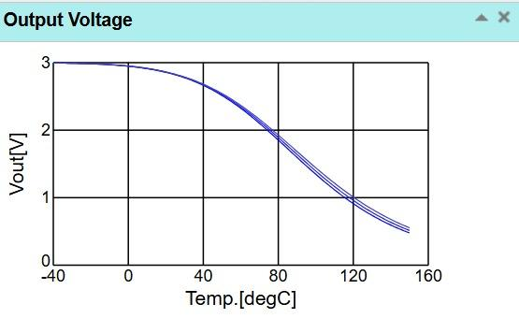
2 | Function | Temperature sensor
 | IC used | NCU18WF104F6SRB
 | Communication | ADC
 | Operating range(Vref) | 5V
 | Voltage range | 0.004V - 2.73V
 | Temperature range | -40°C - 150°C'
 | Resistance | 0.0143 V/°C
 | Sensitivity | 20mv/v
 | Function | Read temperature
 | ADC read -
 |  |  | Figure 5 : Output voltage of temperature sensor

 |  | Figure 4 : Formula for temperature

3 | Function | Current sensor -
 | IC used | ACS725LMATR-20AB
 | Communication | ADC
 | Operating range(Vref) | 5V
 | Voltage Range | 0V - 5V
 | Sensitivity | 100mv/A
 | Offset | 2.5V
 | Function | Measures electric current(amp)
 | ADC read -

 |  | Figure 6 : Formula for current sensor (20 A)

4 | Function | Current sensor -
 | IC used | ACS733KLART-65AB-T
 | Communication | ADC
 | Operating range(Vref) | 5V
 | Voltage range | 0V - 3V
 | Sensitivity | 2mv/A
 | Offset | 1.65V
 | Function | Measures electric current(amp)
 | ADC read -

 |  | Figure 7 : Formula for current sensor (65 A)

5 | Function | Current sensor -
 | IC used | ACS732KLART-75AB-T
 | Communication | ADC
 | Operating range(Vref) | 5V
 | Voltage range | 0V - 4.495V
 | Sensitivity | 26.6mv/A
 | Offset | 2.5V
 | Function | Measures electric current(amp)
 | ADC read -

 |  | Figure 8 : Formula for current sensor (75 A)

6 | Function | Current sensor -
 | IC used | ACS772ECB-400B-PFF-T
 | Communication | ADC
 | Operating range(Vref) | 5V
 | Voltage range | 0V - to 5V
 | Sensitivity | 5mv/A
 | Offset | 2.5V
 | Function | Measures electric current(amp)
 | ADC read -

 |  | Figure 9 : Formula for current sensor (400 A)

7 | Function | Voltage sensor -
 | IC used | AMC1311BQDWVRQ1
 | Communication | ADC
 | Operating range(Vref) | 3.3V/5V
 | Voltage range | 0V - 2V
 | Sensitivity | 2mv/V
 | Offset | NA
 | Function | Measures electric current(amp)
 |  | Fomula

 |  | V = (ADCval/4096)*1000

8 | Function | GaN MOSFET
 | IC used | GS66516T
 | Communication | PWM
 | Operating range(Vref) | 0V to 6V
 | Gate to source voltage | -10V to +7V'
 | Drain to source voltage | 650V
 | Turn_On delay | 4.6nS
 | Turn_OFF delay | 14.9nS

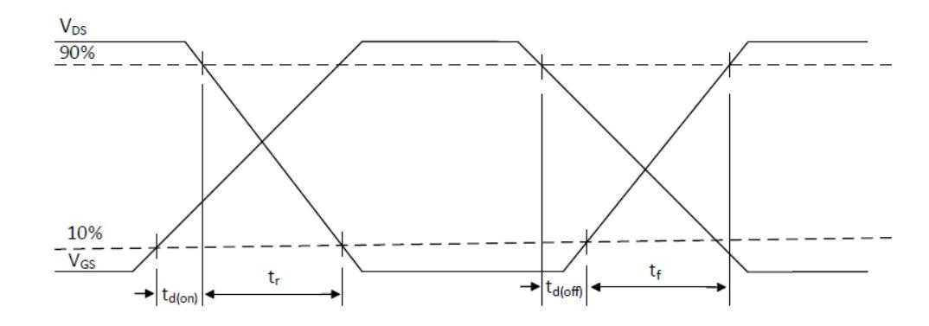
 | Function | Power switching in high-performance of systems.
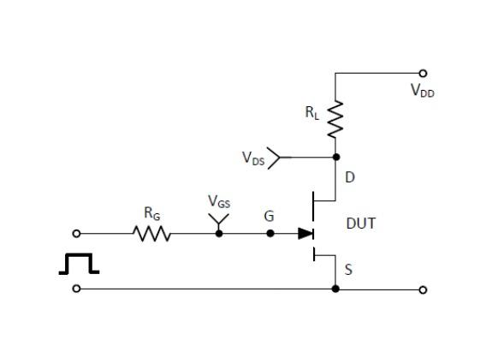
 | Switching time ckt & waveform

 |  | Figure 10 : Switchig time circuit | Figure 11 :Switching waveform of GaN MOSFET

9 | Function | SiC MOSFET
 | IC used | IMCQ120R007M2H
 | Communication | PWM
 | Operating range(Vref) | 0 to 4.2V
 | Gate to source voltage | -7V to +23V'
 | Drain to source voltage | 1200V
 | Turn_On delay | 30nS
 | Turn_OFF delay | 74.8nS
 | Drain current(IDS) | 181A

 | Function | High-voltage, high-temperature, and high-efficiency power switching applications.
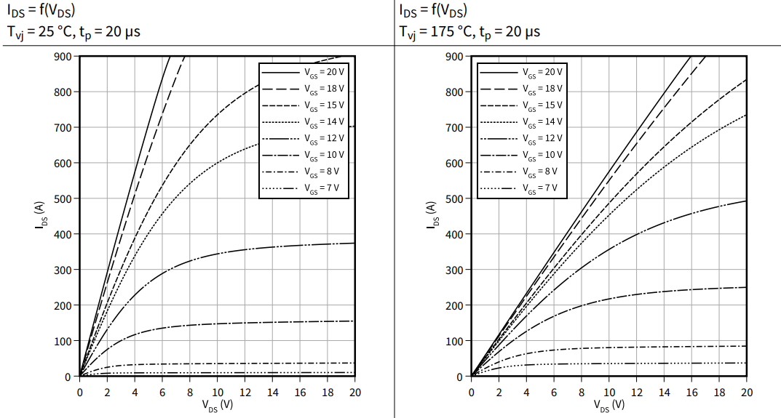
 | Waveforms

 |  | Figure 12 : Output waveform of SiC MOSFET

10 | Function | SiC MOSFET
 | IC used | IMSQ120R012M2HH
 | Communication | PWM
 | Operating range(Vref) | 0 to 4.2V
 | Gate to source voltage | -7V to +23V'
 | Drain to source voltage | 1200V
 | Turn_On delay | 17.3nS
 | Turn_OFF delay | 40.6nS
 | Drain current(IDS) | 89A
 | Function | High-voltage, high-temperature, and high-efficiency power switching applications.
 | Waveform
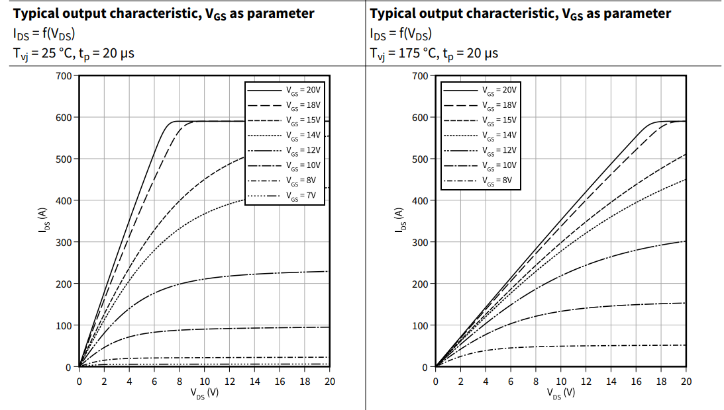

 |  | Figure 13 : Output waveform of SiC MOSFET

11 | Function | GaN MOSFET
 | IC used | EPC2305ENGRT
 | Communication | PWM
 | Operating range(Vref) | 0 t0 5V
 | Gate to source voltage | -4V to 6V'
 | Drain to source voltage | 150 V
 | Drain current(IDS) | 102A
 | Function | Power switching in high-performance of systems.
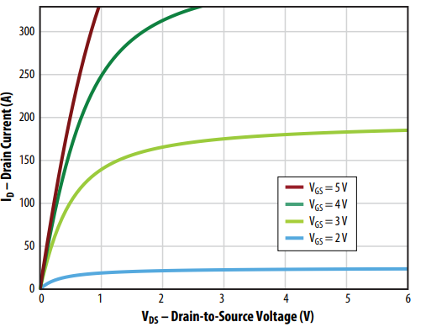
 | Waveform

 |  | Figure 14 : Output waveform of GaN MOSFET

12 | Function | Gate Driver For GaN MOSFET
 | IC used | AHV85111
 | Communication | PWM
 | Operating range(Vref) | 0 to 3.3V
 | Drive supply voltage | 13.2V
 | Output drive Pull-Up | 15 V'
 | Output drive Pull-Down | -0.5 V'
 | Function | Controls the switching of a GaN transistor.

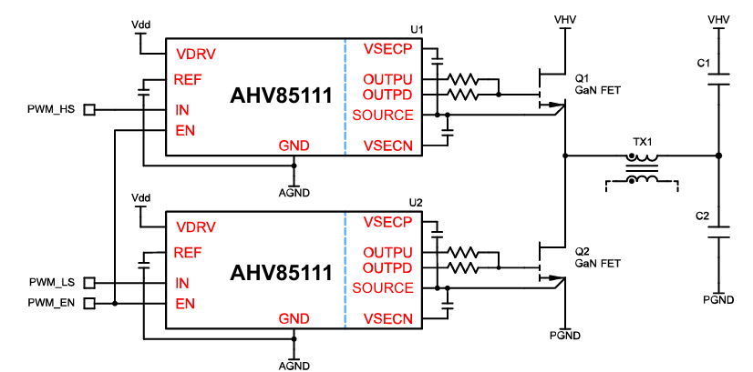

 |  | Figure 15 : Circuit diagram of gate driver for GaN MOSFET

13 | Function | Gate Driver For SiC MOSFET
 | IC used | UCC21710-Q1
 | Communication | PWM
 | Operating range(Vref) | 0 to 5V
 | Drive supply voltage | 15V
 | Output drive Pull-Up | 15 V'
 | Output drive Pull-Down | -4 V'
 | Function | Controls the switching of a SiC transistor.
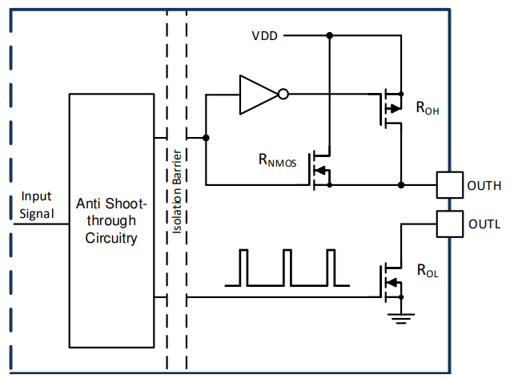

 |  | Figure 16 : Circuit diagram of gate driver for GaN MOSFET

14 | Function | Isolated DC/DC IC
 | IC used | UCC33420-Q1
 | Communication | PWM
 | Operating range(Vref) | 4.5V to 5.5V
 | Regulated output voltage | 5.0V, 5.5V
 | Function | Convert one DC voltage to another DC voltage while also electrically isolating the input side from the output side

15 | Function | CAN Transceiver
 | IC used | TJA1442AT/0Z
 | Communication | CAN Communication
 | Operating range(Vref) | 4.5 to 55 V
 | Baud rate | 5Mbps,
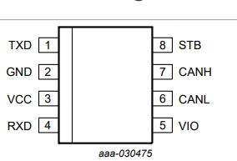
 | Pin diagram
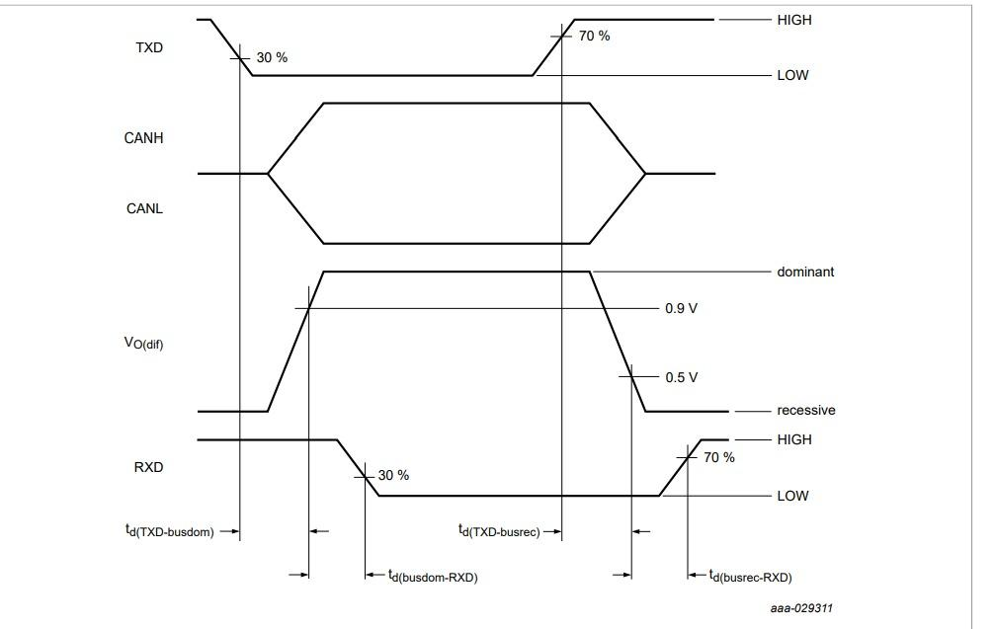
 | Timing diagram

 |  | Figure 17 : Pin digram of CAN transceiver IC | Figure 18 : Timing diagram of CAN communication

16 | Function | LIN Transceiver
 | IC used | TJA1027T/20/2Z
 | Communication | LIN Communication
 | Operating range(Vref) | 5 to 18 V
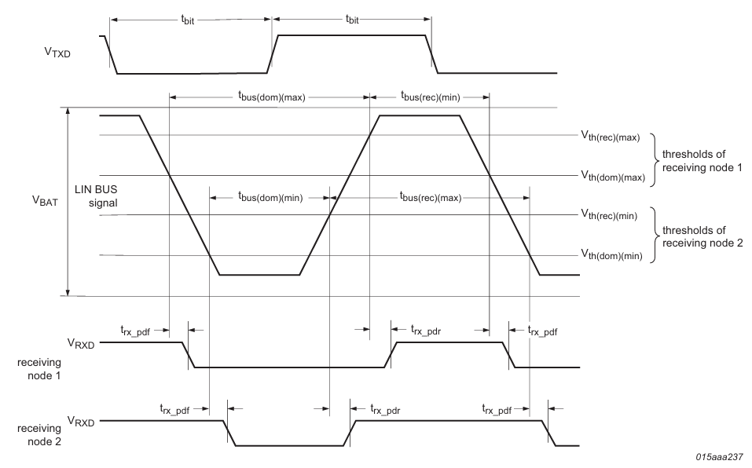
 | Baud rate | 20 kBd
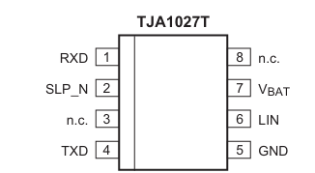
 | Pin diagram
 | Timing diagram

 |  | Figure 19 : Pin digram of LIN transceiver IC | Figure 20 : Timing diagram of CAN communication

17 | Function | Flash IC
 | IC used | S25FL064LAB MFM010
 | Communication | SPI Communications
 | Operating range(Vref) | 2.7V to 3.6V,
 | Flash Size | 64Mb
 | Clock frequency(50Mhz) | 6.25Mbps
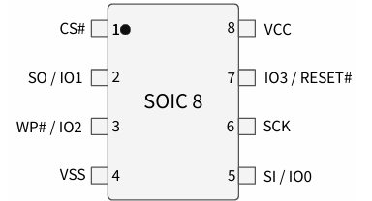
 | Pin diagram
 | Timing diagram

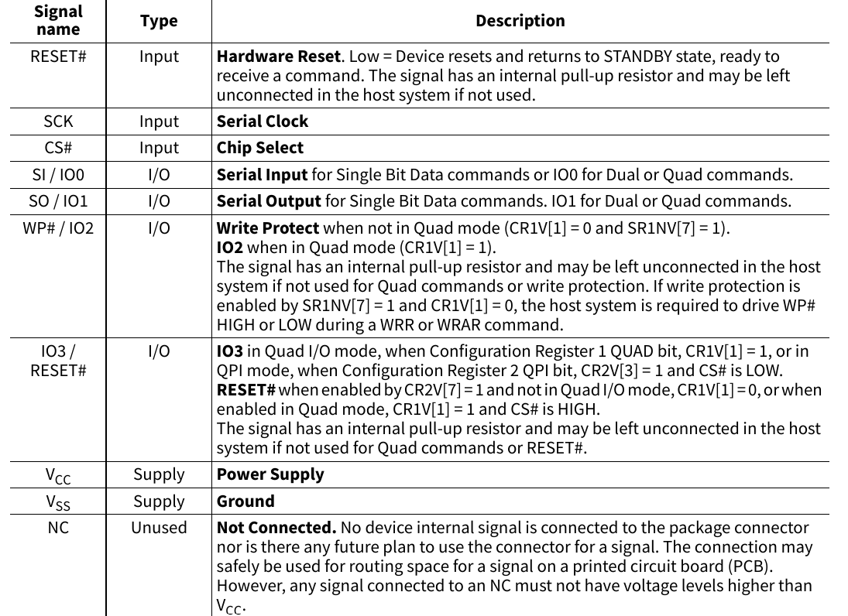
 | Pin descriptions

 |  | Figure 21 : Pin digram of FLASH IC

18 | Function | EEPROM IC
 | IC used | BR25H128FVT-2ACE2
 | Communication | SPI Communications
 | Operating range(Vref) | 1.6V to 5.5V,
 | Size | 128Kb
 | Clock frequency | 20Mhz
 | Pin diagram
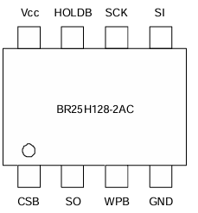
 | Timing diagram

 |  | Figure 22 : Pin digram of EEPROM IC
 | Write Operation -

 |  | Figure 23: Write opration for EEPROM

 | Read Operation -

 |  | Figure 24: Read opration for EEPROM

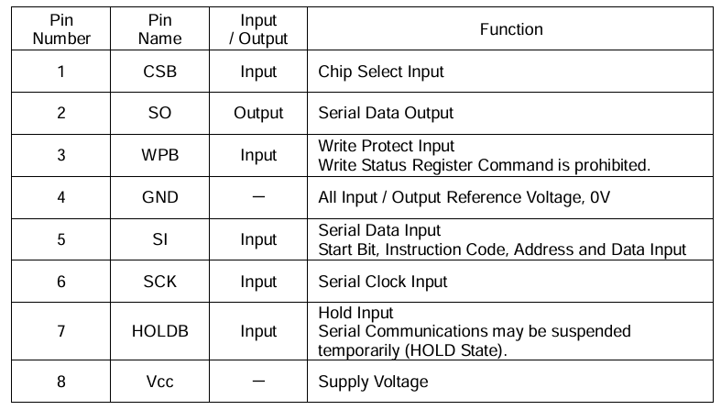
 | Pin Descriptions

 |  | Table 1: Pin description of EEPROM IC

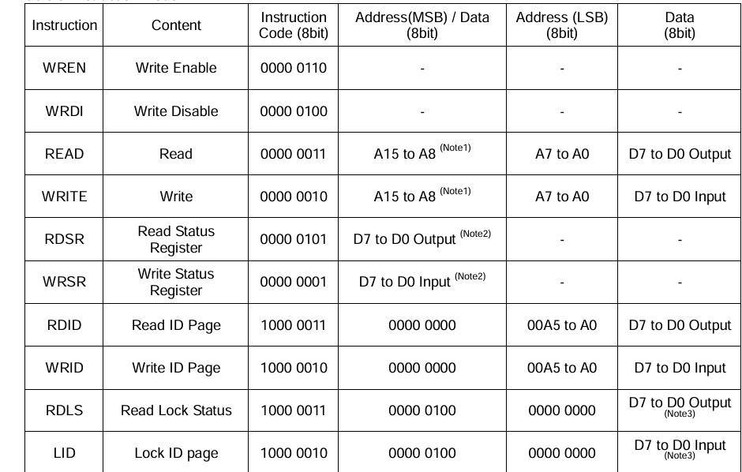
 | Command Oprations

 |  | Table 2: Command opration for EEPROM IC

